Sheet1
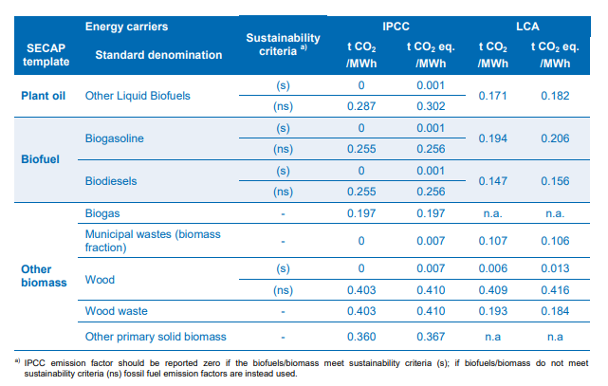
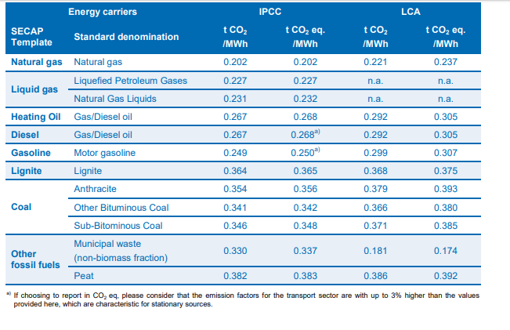
 |  |  |  | CO2eq | E3databse | https://www.covenantofmayors.eu/IMG/pdf/Covenant_ReportingGuidelines.pdf
 |  | % of total |  | g/kWh
other fossil | 4.5 | 0.082417582418 |  | 392
coal | 13.6 | 0.24908424908 |  | 386
natural gas | 13.5 | 0.24725274725 |  | 237
biofuel/waste | 2.8 | 0.051282051282 |  | 106
renwables | 23 | 0.42124542125
Total | 54.6 | 1

grid | losses (%) | 6
 |  | Outlet kWh |  | powerplant kWh |  | gCO2eq
 |  | 1 |  | 1.0638297872 |  | 204.77554361

 |  | Overall grid factor

 |  | 204.77554361 | gCO2eq/kWh

